Ark1
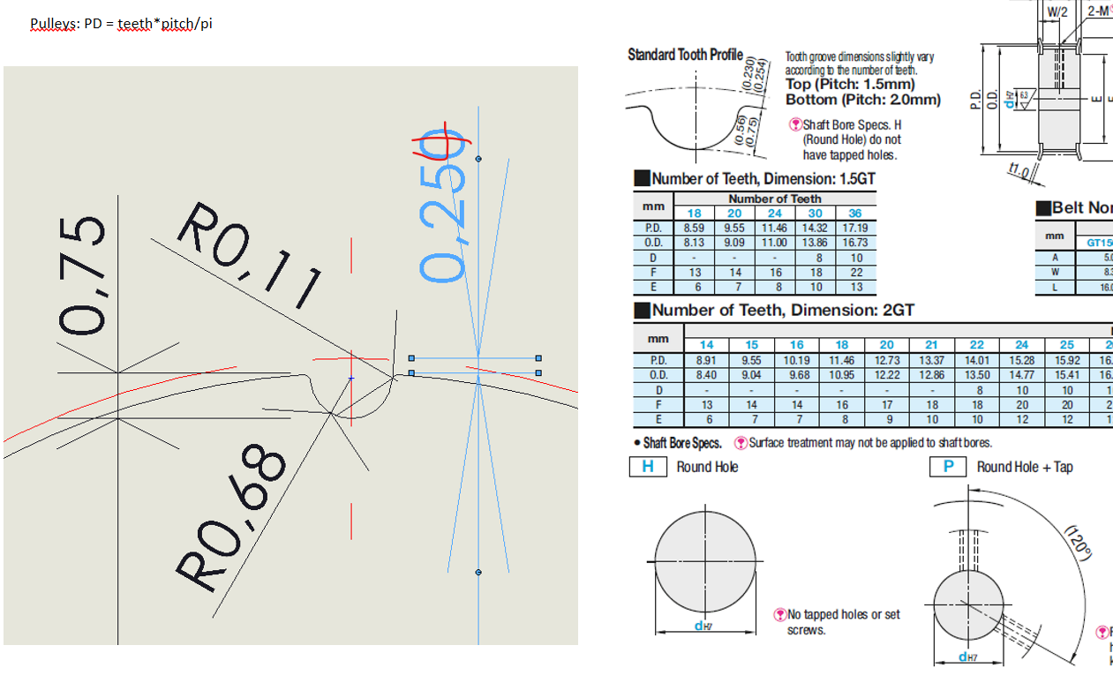
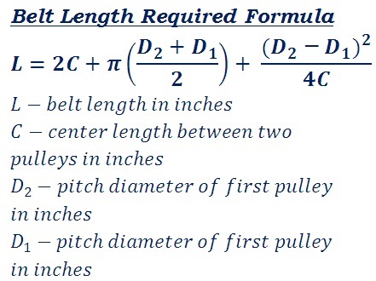
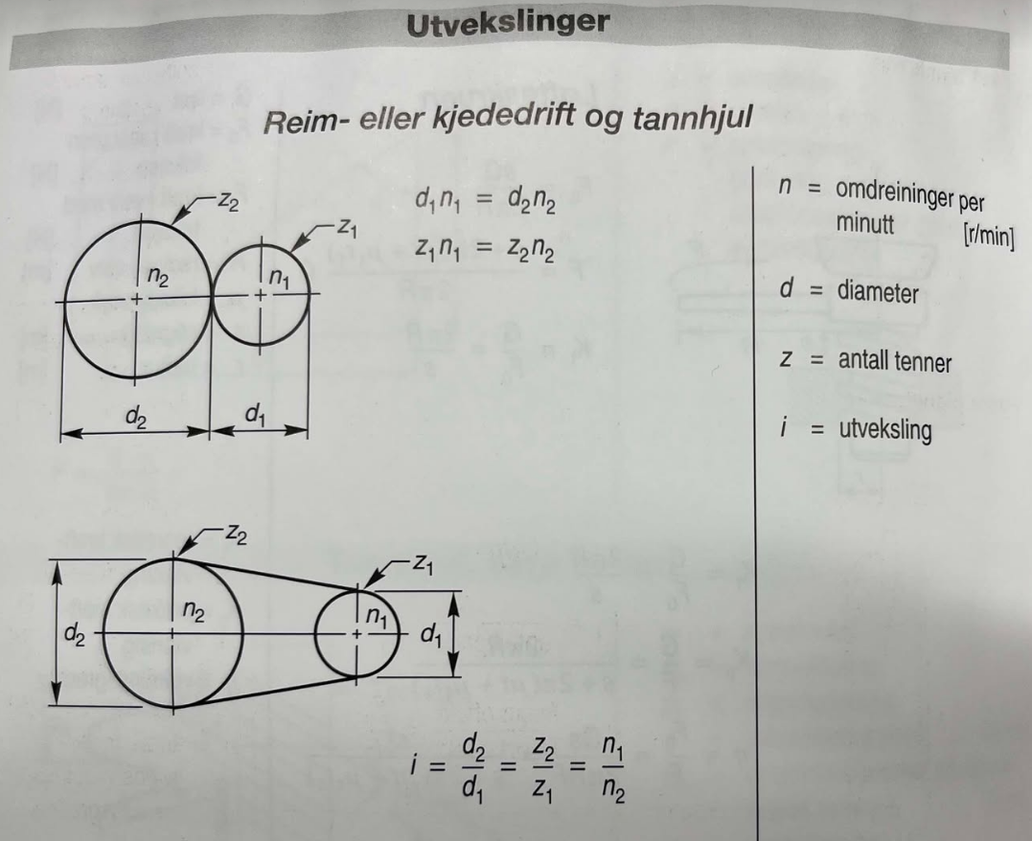
D1 | 70.008 | mm
D2 | 69.500 | mm
L | 399.03 | mm
C | 90 | mm

Pitch diam | 17.83 | mm
Teeth | 28
Pitch | 2 | mm

Mast diam | 64 | mm | Inner diam | 12.5 | mm
Min gir thickness | 2 | mm | Min gir thickness | 1.5 | mm
Pitch diam | 70.008 |  | Pitch diam | 17.508
Gear real max diam | 69.5 | mm | Gear real max diam | 17.0 | mm
Tooth bottom diam | 68.0 | mm | Tooth bottom diam | 15.5 | mm

